Items
Item | Subjects | Raters | ICC(1) | Reliability | Double Negative
Worry About Things | 5 | 91 | 0.013 | Poor | Yes
Am a Creature of Habit | 5 | 91 | 0.034 | Poor
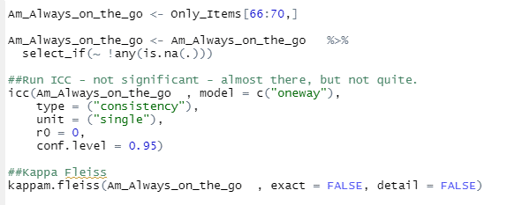
Am Always Busy | 5 | 91 | 0.050 | Poor
Am Always on the Go | 5 | 91 | 0.068 | Poor
Often Feel Blue | 5 | 91 | 0.094 | Poor | Yes
Insult People | 5 | 91 | 0.116 | Poor | Yes
Get Angry Easily | 5 | 91 | 0.134 | Poor | Yes
Get Irritated Easily | 5 | 91 | 0.149 | Poor | Yes
Am Easy to Satisfy | 5 | 91 | 0.163 | Poor
Enjoy Wild Flights of Fantasy | 5 | 91 | 0.229 | Poor
Sympathize with the Homeless | 5 | 91 | 0.398 | Poor
Trust Others | 5 | 91 | 0.415 | Poor
Am Relaxed Most of the Time | 5 | 91 | 0.424 | Poor
Take Charge | 5 | 91 | 0.436 | Poor
Love Excitement | 5 | 91 | 0.478 | Poor
Make Friends Easily | 5 | 91 | 0.538 | Moderate

